Cubo.rix program
Introduction to my program Cubo.rix - by Rick Ostidich - 2021.02.08

No human being on Earth can minimally compete against even the dumbest computer or phone, both on the fastest solve, and on the fewest moves challenge.
The goal of my program is to investigate on the human methods of solving the cube, and to see how good or "fast" it can be solved with CFOP or other methods, and which are the best variations for these methods.
As of today, the published program (version 0.73) is just a provisional, incomplete, un-optimized release. When I'll have the time I'll improve it and upload a new version to my site www.rickostidich.com.

The executable program Cubo.exe is a console program for Windows computers. Let's start seeing how it currently looks like, with some screenshots:

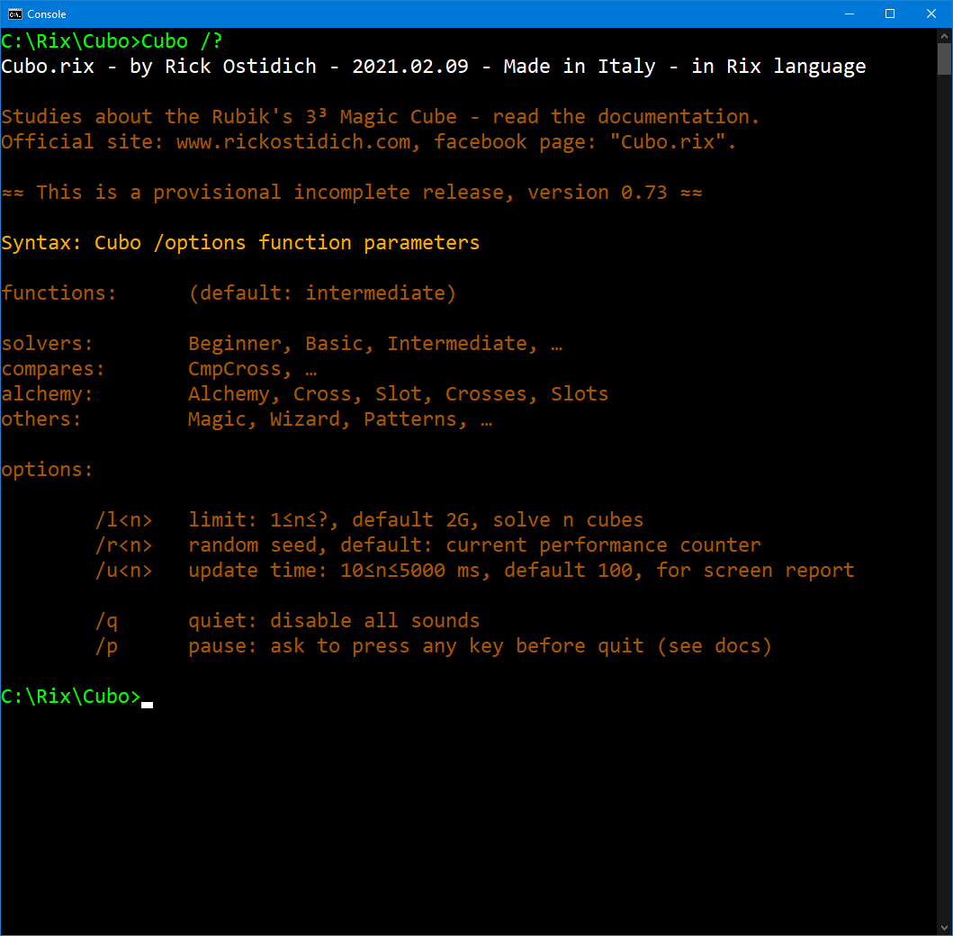
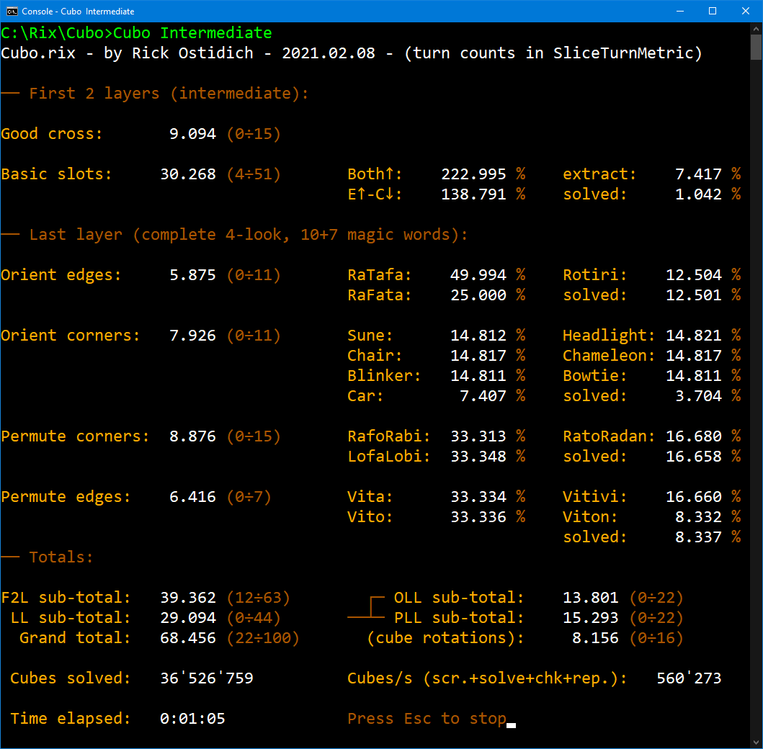
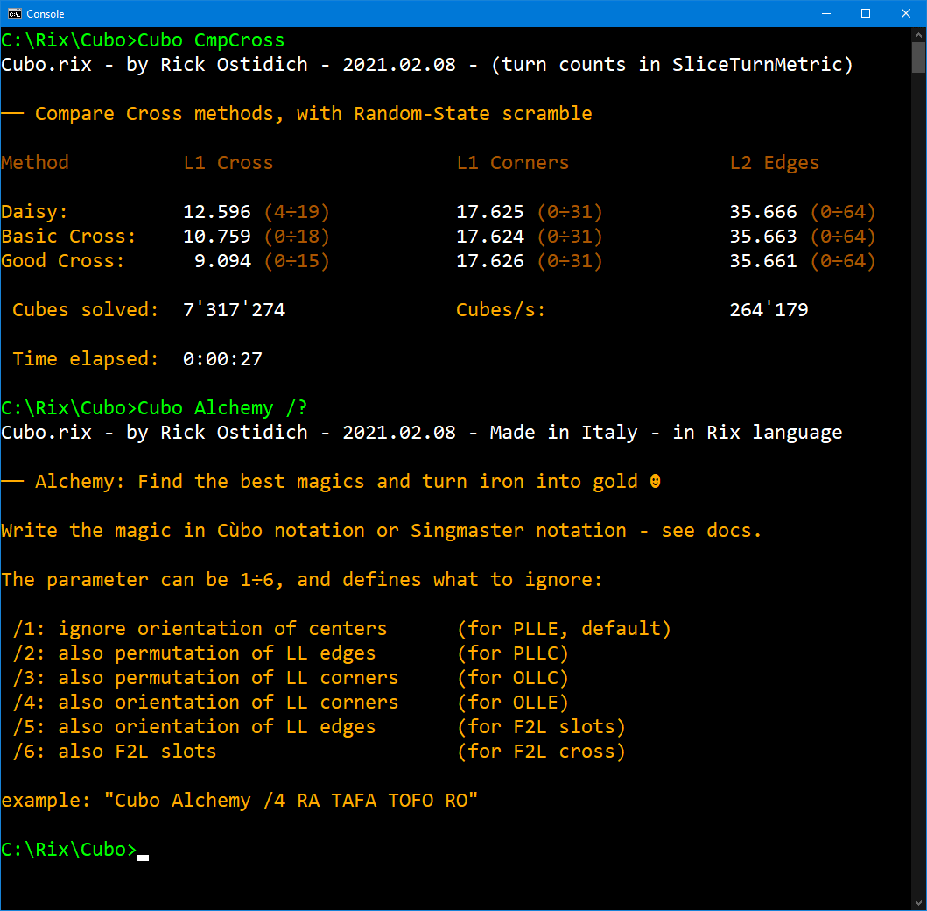

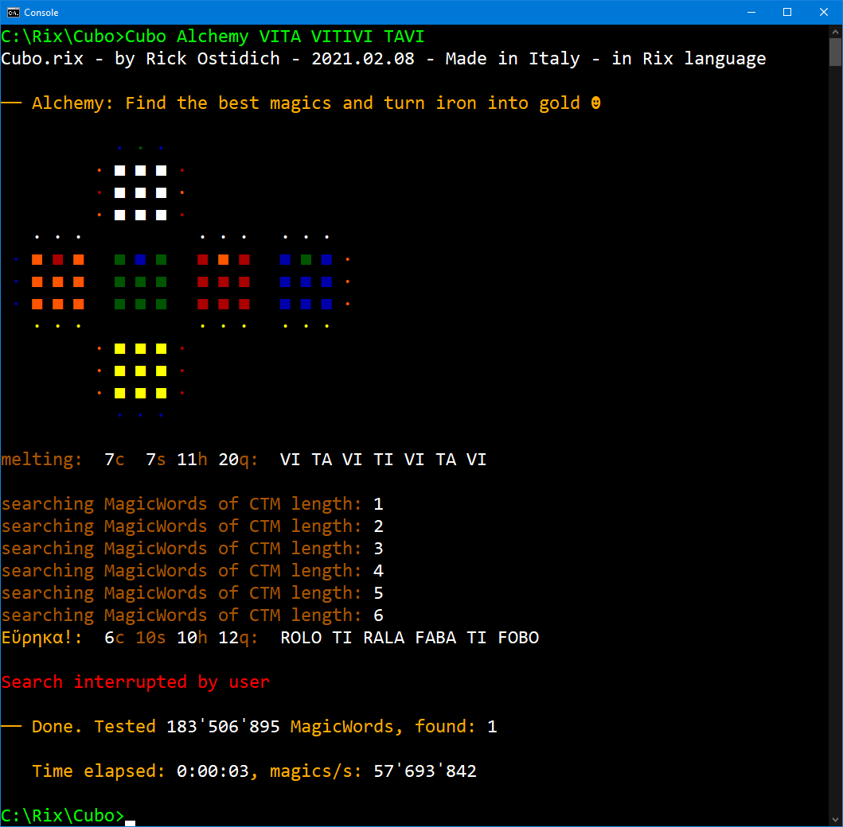
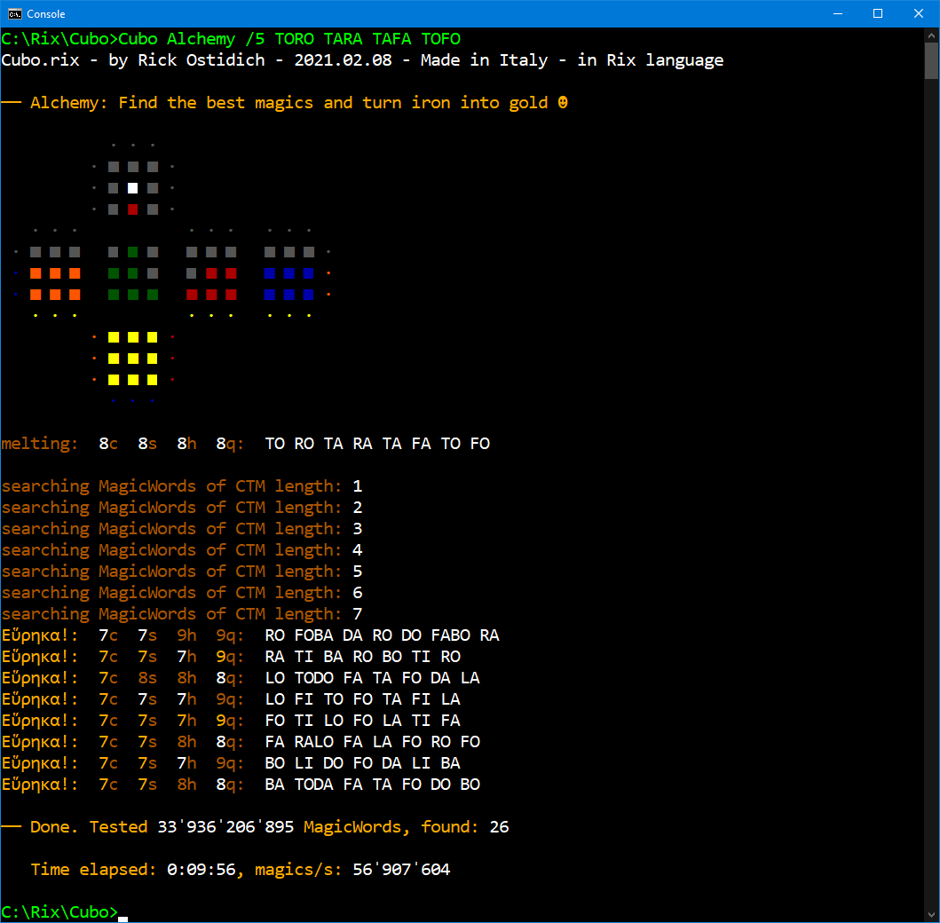
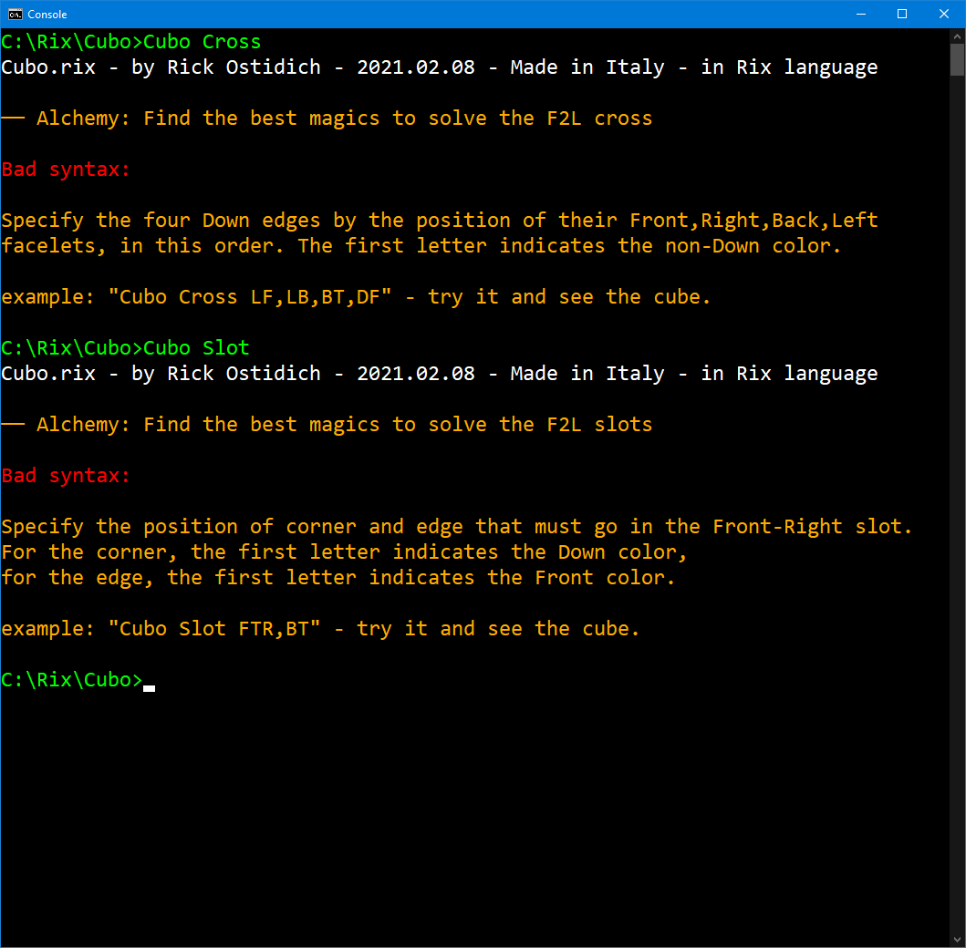

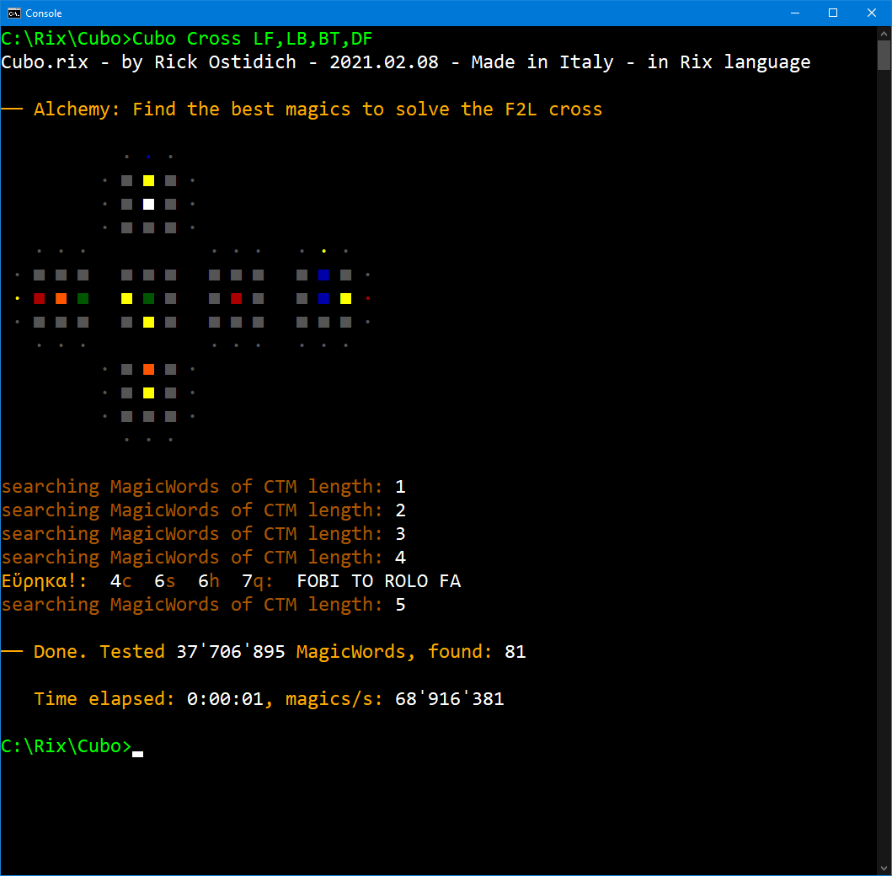
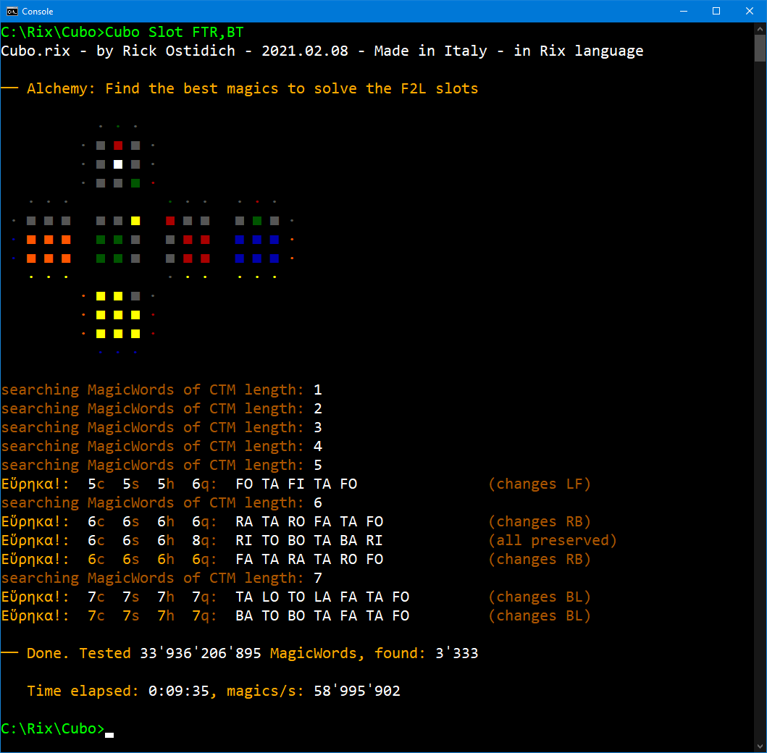
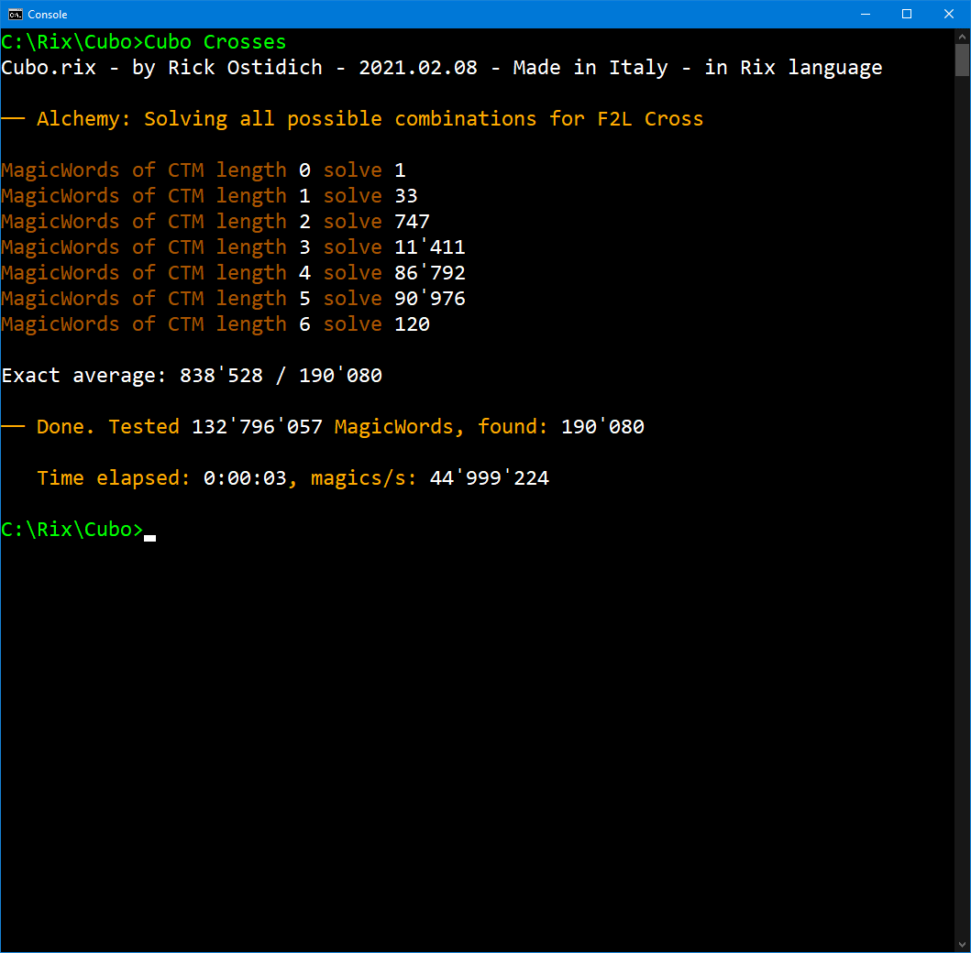

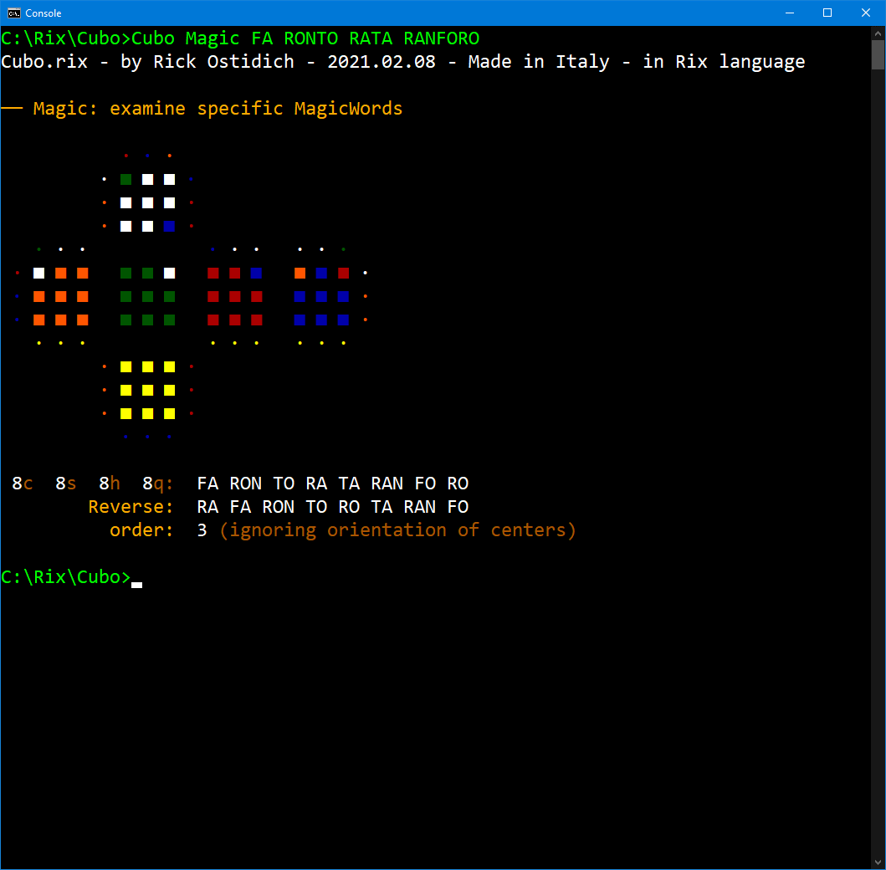
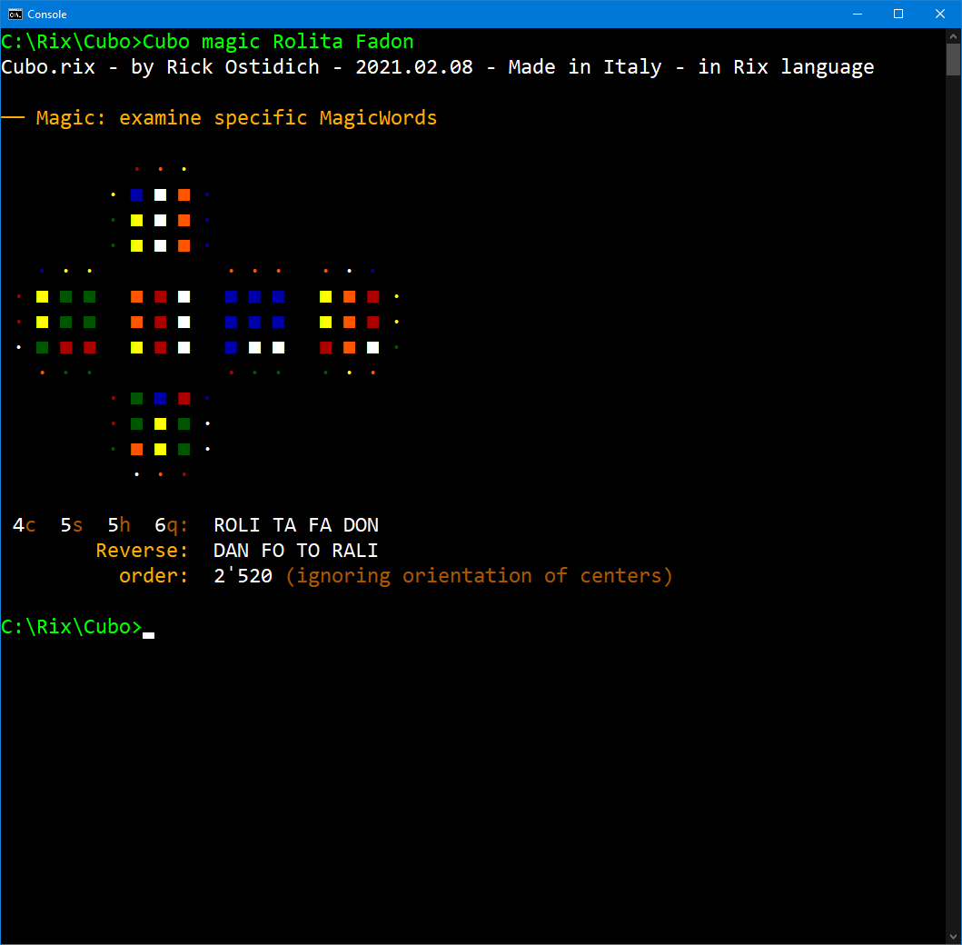
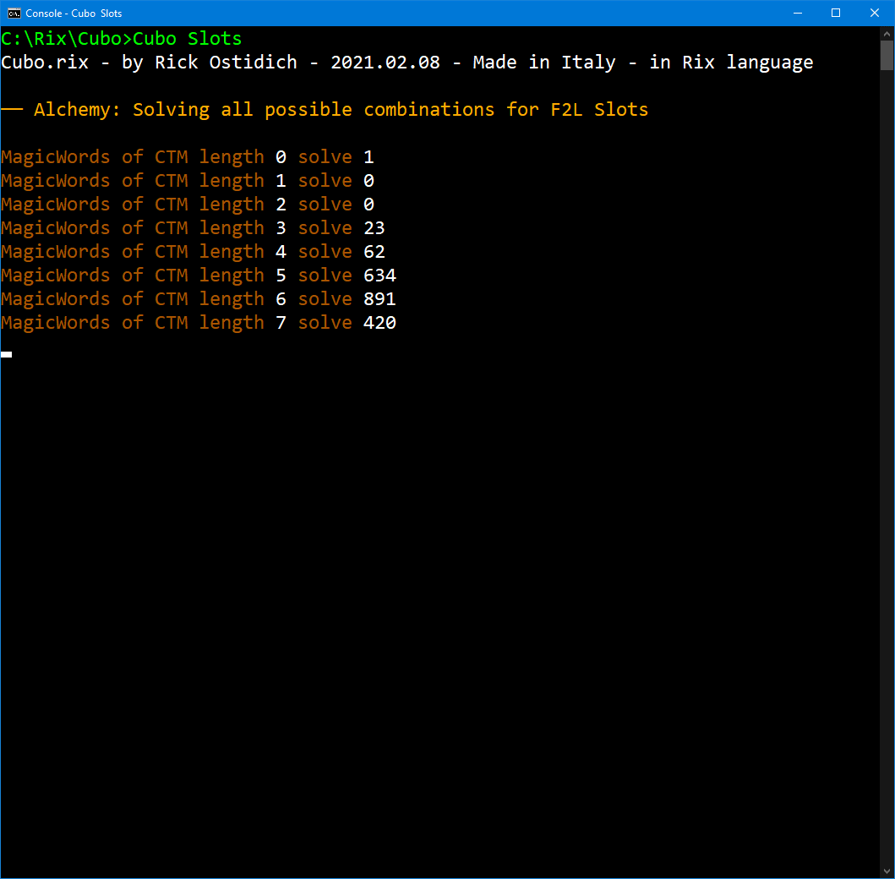

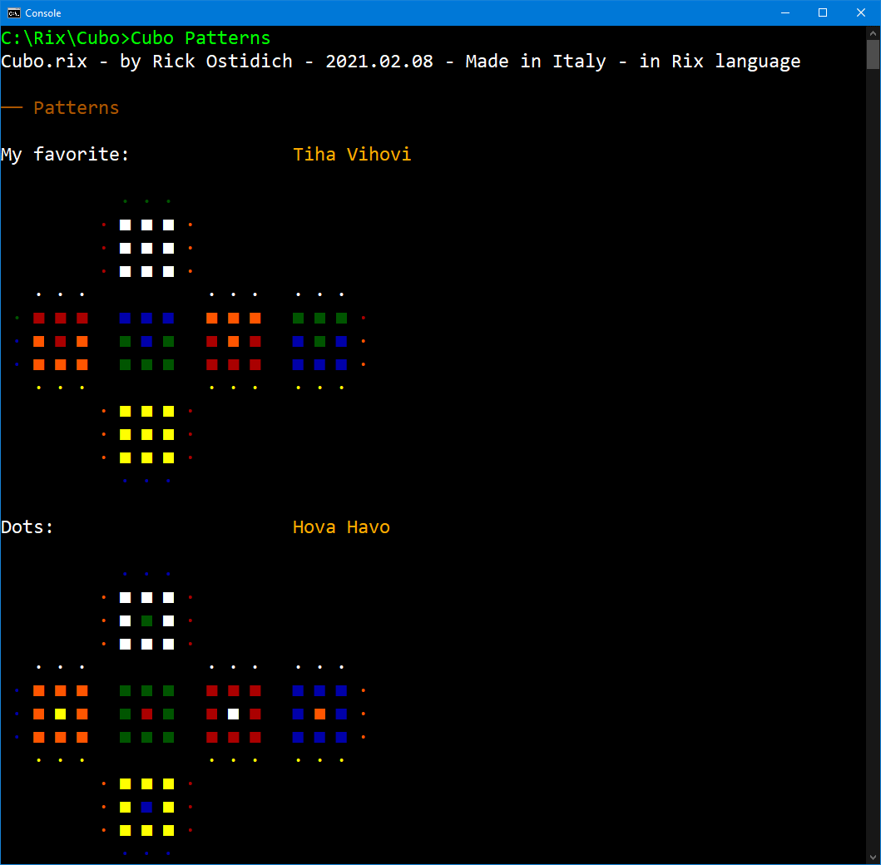
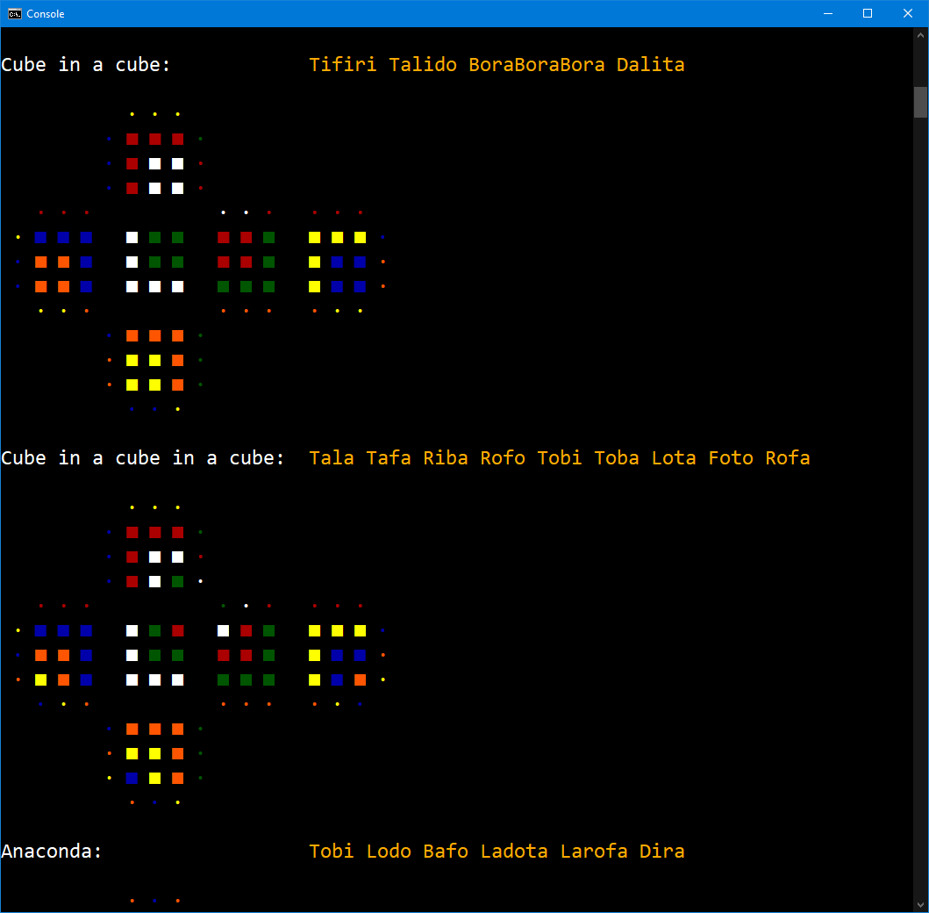
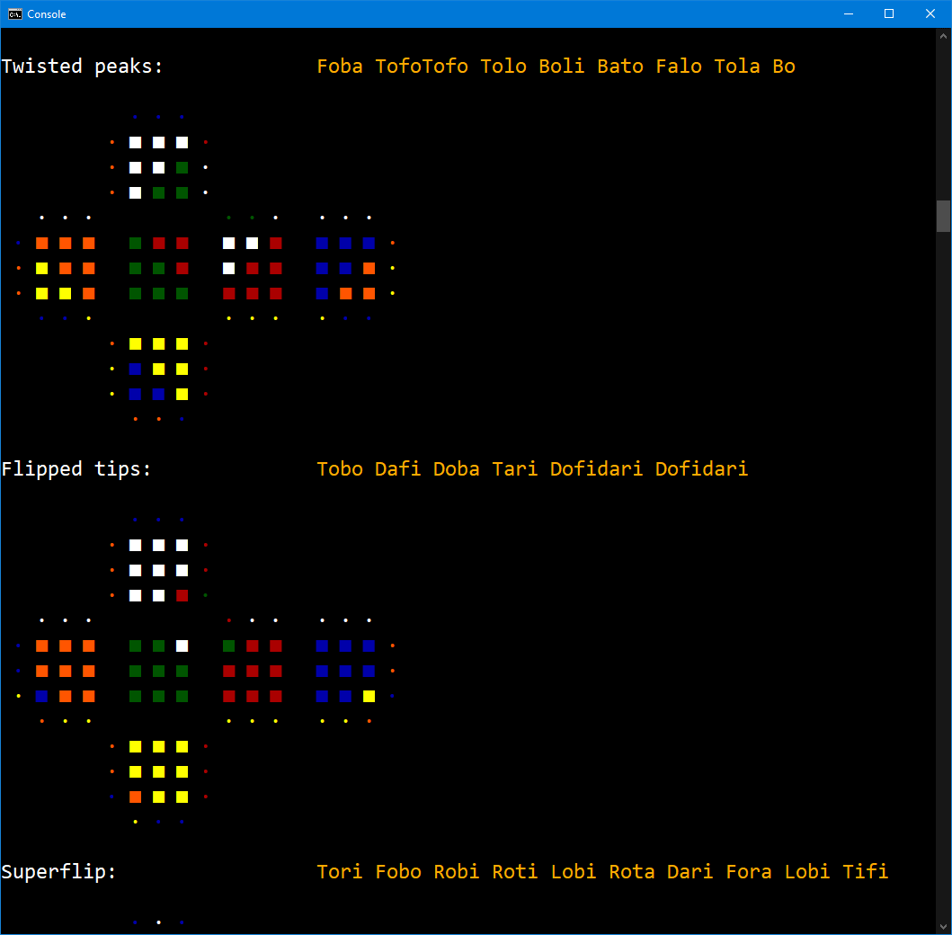

The Solvers functions (Beginner, Basic, Intermediate, …) simply start scrambling and solving a lot of cubes per second (with the specified method/variation), until you stop it.
For now it shows the counts in STM; I'll add a parameter to let you choose the reference metric for these and other functions.
Of course I'll add the Advanced, Expert, and Master variations for CFOP, then I'll explore other common methods of solving the cube (Roux, ZZ, …), while possibly inventing a couple of new ones.

The Compare part (Cmp*, for now I made it only for the F2L cross) solve a specific part of the cube in different methods, to measure what is gained with each improvement.
This has been very useful to measure the randomness of a manual-like scramble. 25 "random" turns are definitely not enough. We'll talk another time about "random" and manual-scramble.
My program includes a very sophisticated (and fast) pseudo-random number generator, and the cube is scrambled with a very fast random-state scrambler that takes care of the Laws of the Cube.

Alchemy functions (including Cross and Slot): this is the brute-force part of the program, that tests all possible magics within a certain length.
Of course I know of the Kociemba algorithm, which does a much faster and smarter work to solve a specific situation of the cube.
But, I want to find all the possible magics that do a specific task, and most of all I want to ignore some parts of the cube, that I will solve later. The current programs that I've found on the internet don't do this as far as I know.
So, I decided to initially use a brute-force attack. And it's indeed quite reasonable in terms of time, for a sequence of up to 8 CTM moves (and *much* faster - up to 11q - if excluding some of the more complex moves).
In future, if I have the time and the will, I'll definitely try a Kociemba-like approach to the problem, but of course with a brand-new method of my own - because I like to re-invent things that have already been invented.
Several times it happened that I found even better solutions!

Magic function: for now it's just a draft; it will check all possible variations of a specific magic to find the best way to execute it by human hands, according to the Execution Time Metric I'm working on.

Other functions: Wizard is just for myself to check the Enchantments (see later in this text), Patterns is a simple (and incomplete) list of patterns that I like.
The Alchemy functions Crosses and Slots (for *all* slots and cross combinations) are not complete for your usage, but I wrote their results in this documentation.
The original function Interactive for which I started writing the program, has never been done so far! It will allow you to scramble and solve the cube by yourself with the keyboard, using the two-dimensional representation that I like,
and testing all magics and special functions, with an optional help from the program. But there are many free and nice programs on the Web that do that. Though, they're all missing something that I need.
About another new function that I want to add: Laura gave me the Rubik's Connected Cube for Christmas - and it's currently my favorite cube - though I use it very seldom with the application on the mobile phone.
I will try and interface it via blue-tooth with my Cubo.rix program, in order to do several things that I have in mind, much more than just the Interactive function.

Optimization: the current version, as I said, is incomplete in every aspect, and most of the procedures can be improved a lot. Currently it uses only 1 processor core, and only general-purpose instructions and registers of the CPU.

On my old laptop, the "Intermediate" solver function currently does 560'000 cubes per second; including scrambling, solving, checking that the cube is actually solved, and while doing all the statistics and reporting on screen.
The Alchemy part, on the same computer, tests "only" around 70'000'000 different magics per second. Let's see how these two functions can be improved in the next versions of Cubo.rix:

- | They currently use only 1 thread, that is 1 processor core. All of the functions in Cubo.rix can be subdivided to run concurrently on several threads, so we could take advantage of all the available cores on the computer.
 | My laptop (like my previous tower PC) has 4 cores; Cubo.rix currently uses only 25% "processor time" so it could run almost 4 times faster. The new computer I'm going to buy has twice the frequency, and 16 double-cores. (!)

- | For the Solver part, first of all I have to program the more advanced methods I use for the cross and slots, that will also save a lot of turns and time. And I'll write also the functions for 3-look, 2-look, and 1-look Last Layer.
 | Secondly, the solver part uses "Enchantments" instead of Magics: that is it compiles the magics to tables that only swaps the affected facelets instead of doing the actual turns. The Wizard function shows what it does.
 | I already tested the Rix feature of self-programming (that I also used for the original Ombra.exe for Dos) to write hyper-optimized procedures for each of the Enchantments, and the "speed" doubles with these. I have to complete it.

- | For the Alchemy part, the current version tests all the magics of a certain CTM length; that means that testing all 7c requires 9' on my laptop, and testing all the 8c requires 4 hours.
 | But, for example, if I find a 6c 6s 6h 8q magic, I need to complete the 6c search limiting the QTM length to 8q, and if I find nothing better I still need to check the 7c magics, but only those that count 7 also in QTM.
 | These methods, already tested, drastically reduce the number of magics to test, so that we can test even all the 12c magic in a reasonable amount of time. Currently, I edit the program source each time to do this when required.
 | Moreover, some sequences can be excluded a-priori; for example, to solve a slot where both pieces are not on top, it doesn't make sense to check the magics that start with a TO/TA/TI, or compound moves that include these.
 | Also, I already tested different organizations for the cube table in memory, and the "speed" of checking the magics can be improved a lot.
 | (By the way: speed = distance/time, and a program is not actually moving in any other place. A more appropriate name would be "frequency of calculations", but it's ok using colloquial terms - for now!)
 | I already wrote a new better procedure to test all magics with a different sequence of moves and avoiding indirect branches, and this again will halve the time required for the Alchemy functions.
 | When I'll re-write the program for 64-bit registers and instructions, some other little things will also be improved a bit. And I also have to work on cache and alignment, which will save much more.
 | In the end, I will hold the entire cube structure in one or two registers of the SIMD instructions, and all moves and magics and enchantments will take less then a tenth of the current time.
 | I like a lot the brute-force Alchemy part, and I want to improve it in order to see it checking around 10 billions magics per second, that would give me goose-bumps. ☺
 | But after that, of course I'm going to implement much smarter and more efficient ways of finding the best magics for each task, like my future version of the Kociemba algorithm.

- | The current Cubo.exe file is 75'264 bytes big (in which 9'662 bytes are for the icon). I understand it's quite small compared to the nowadays "apps", but much data and code in it are old provisional things that I could remove.

The "speed" is important, the size is important, the beauty of the source code is very important, but for me the most important thing of all in computer programming is the reliability of the program. Bugs are never acceptable.
My own database and reporting system Action!.rix (from which all of my money comes from) is in use since year 1998, and never showed one single "bug", or defect, in 23 years of every-day work by hundreds of users.
Computer programs are exactly like mathematic formulas: it's not enough to "test" them with a finite set of conditions and variables, it must be mathematically proven that they will always work in every situation.

So far I never published things if they are not checked more than enough and ensured for reliability, and if I'm not completely satisfied with them. But this is the reason why most of the work of my lifetime has not been published yet.
I decided to start publishing Cubo.rix as it is (like a did with Satan.rix years ago), because I want to take a break after doing this; and spend some more time with airplanes and other. It will take a while before I make a new version.
But, in the meantime, I'll be happy if someone else can enjoy the work that I already did on this subject, and if they find it useful or at least interesting.

I want to quote a sentence from the documentation of Fractint (one of my favorite programs in the 1990s). The authors at Stone Soup Group wrote: "Don't want money. Got money. Want admiration".
I, personally, don't even need admiration, thank you! I'm more than satisfied with my job and my life, and I don't need anything else but possibly time to write programs and do my things.

The main goal of my life is to help in improving the quality and reliability of computer programming (which currently is the worst thing that I ever seen); this for the science, the world and humanity.
This will be hopefully accomplished when I'll publish my own programming language Rix (with which I write everything since 2004); I only need to write *a lot* of documentation about it.
And I have many other unpublished programs of mine (also to be published as download'n'run copyrighted freeware) about very different topics, that will show what it can be done with my unique methods of work.
I've already experimented that other people besides myself, when using my own language and methods, can create programs that run 100 to 1000 times faster than all of the rivalry, together with an unmatched reliability.
If you're interested in other programs that I did, I wrote something about them in the documentation of Satan.rix back in 2014, but since then I did some other important things. Take a look at my site, I will be updating it soon.

I'm not publishing my email address anywhere, since I definitely don't have the time to answer all questions and discuss ideas and collaborations and so on. Sorry, I'm very busy on many other things.
So, as I did for my Satan Fractals, I created the page "Cubo.rix" on the very common Facebook platform, where people can discuss results and help each-other out with the program and documentation.
I use facebook very seldom, and I hate invitations to pages and events (as all other spamming ads), so I never invited anyone to "like" my pages; after 7 years the Satan Fractals page has only 22 likes. I'm proud of each of them. ☺

End of file. Thanks for the attention, and for all the time you spent in reading this: time is precious for everybody. Have a great day you all!
Rick Ostidich

